Application Screen
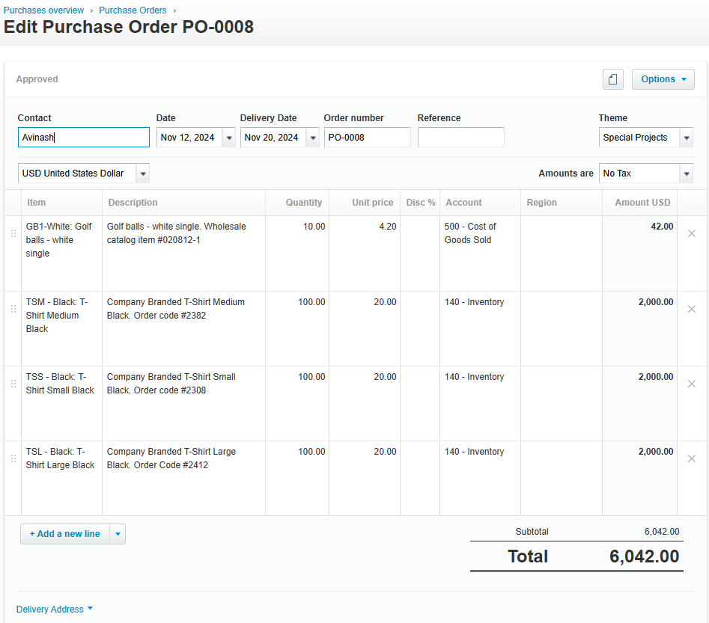

Test Case 20
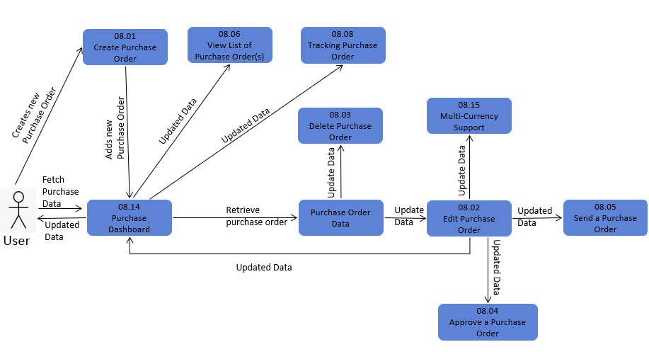
TC Title: | TC20. Edit Purchase Order - Data Flow-In Testing

TC Objective: | The objective of this test case is to verify that during the editing of a purchase order, the application accurately incorporates data from the original creation process, ensuring consistency and integrity across related functionalities.

TC Description

 | Step | Step Description | Expected Results
 | 1 | Access the purchase order to be edited. | The purchase order details should be accessible for editing.
 | 2 | Review the original data of the purchase order. | The original data should be displayed accurately.
 | 3 | Make changes to relevant fields as needed. | Changes should be allowed and accurately reflected in the purchase order.
 | 4 | Ensure that dependent data remains consistent. | Dependent data, such as calculations or linked records, should update accordingly based on the changes made.
 | 5 | Save the edited purchase order. | The changes should be saved successfully without loss of data or errors.
 | 6 | Verify that the edited purchase order reflects the changes. | Upon saving, the purchase order should accurately reflect the edits made.

Test Case 21
TC Title: | TC21. Edit Purchase Order - Data Flow-Out Testing
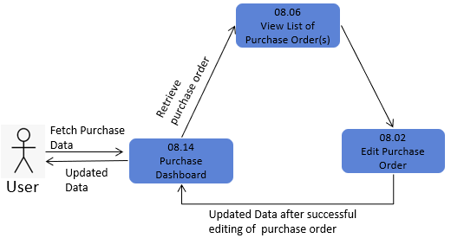
TC Objective: | The objective of this test case is to assess the integration and data coherence of editing purchase orders within the broader ecosystem of the application, particularly examining how updated data from edited purchase orders interacts with and affects other core functionalities related to purchase orders.

TC Description

 | Step | Step Description | Expected Results
 | 1 | Edit an existing purchase order. | The purchase order editing process should be completed successfully.
 | 2 | Changes reflect in related features. | Changes made to the purchase order should be accurately reflected in related functionalities, such as viewing, listing, sending, and printing.
 | 3 | Ensure data coherence in view functionality. | The edited purchase order should be correctly displayed in viewing functionalities, with all modifications accurately presented to users.
 | 4 | The list of purchase orders is consistent. | The edited purchase order should be correctly listed among other purchase orders, maintaining order and data integrity.
 | 5 | Impact of editing on deleted purchase orders. | The edited purchase order should still be visible and accurately reflected in related functionalities, even if deleted post-editing.
 | 6 | Ensure the accuracy of send and print functionalities. | The edited purchase order should be correctly sent to suppliers without any data discrepancies or formatting issues.

